allergens
ALLERGEN INFORMATION
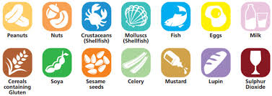

Food allergens can be life threatening. If you have a
food allergy, the only way you can manage it is to
avoid the foods that make you ill.

Where allergens are used in your children's meals,
we have indicated them using the key below.

KEY
P = peanuts | E = eggs | Cl = celery
N = nuts | Mi = milk | Mu = mustard
Cr = crustaceans | Ce = cereals | L = lupins
Mo = molluscs | S = soya | SD = sulphur dioxide
F = Fish | SS = sesame seeds

Please speak to our School Kitchen if you would like more
information about the allergens in your child's food.

You can find out more at www.food.gov.uk/allergy

